Sheet1

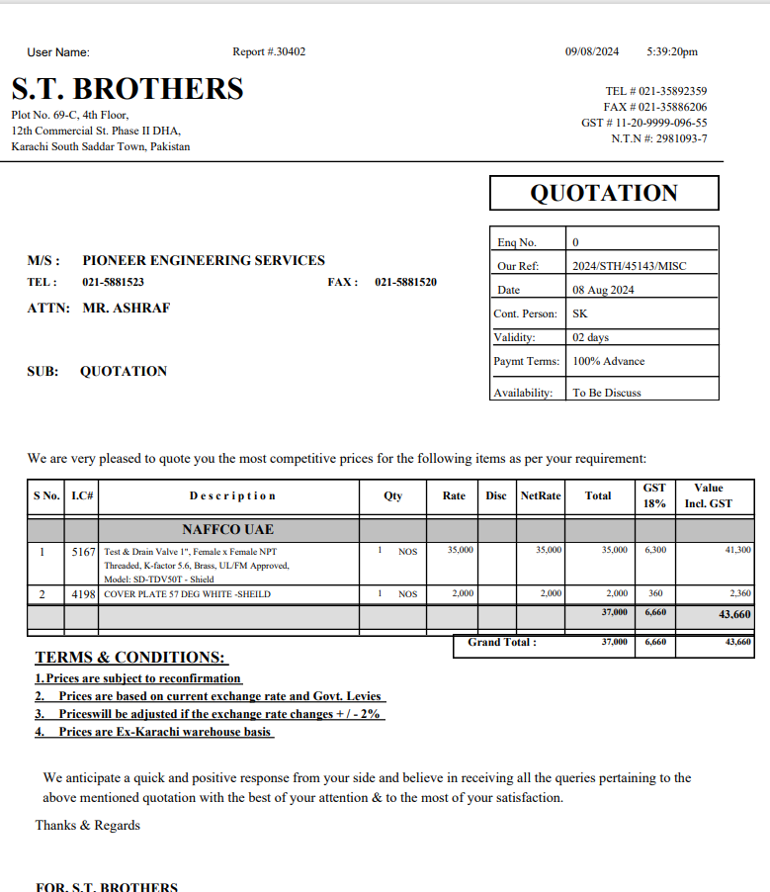

M/S IK Associates |  |  |  |  |  |  |  |  | 2024-08-09

Project: Lama Retails Dolmen Mall Clifton Karachi

Attn: Mr. Taha Ghaznavi

Variation # 1
Supply & installation of Sprinklers caps & Test Drain Valve

S. # | Description | Material Rate | Labour Rate | Over head Profit 25% | Tax 7.5% | Total Rate | Unit | Qty | Amount
1 | Adjustment of all plenums and linear grills. | - | 175,000 | - | 13,125 | 188,125 | Lot | 1 | 188,125
2 | Supply and installation of Test & drain valve 01" Dia Brand: Shield | 41,300 | 5,000 | 11,575 | 4,341 | 62,216 | No | 1 | 62,216
3 | Supply and installation of Sprinkler caps white Brand: Shield | 2,360 | 500 | 715 | 268 | 3,843 | Nos | 40 | 153,725
Total Amount Rs. |  |  |  |  |  |  |  |  | 404,066

Note: Vendor Quotation attached

Thanking you,

For PIONEER ENGINEERING SERVICES.

Bilal Habib

